Application Screen
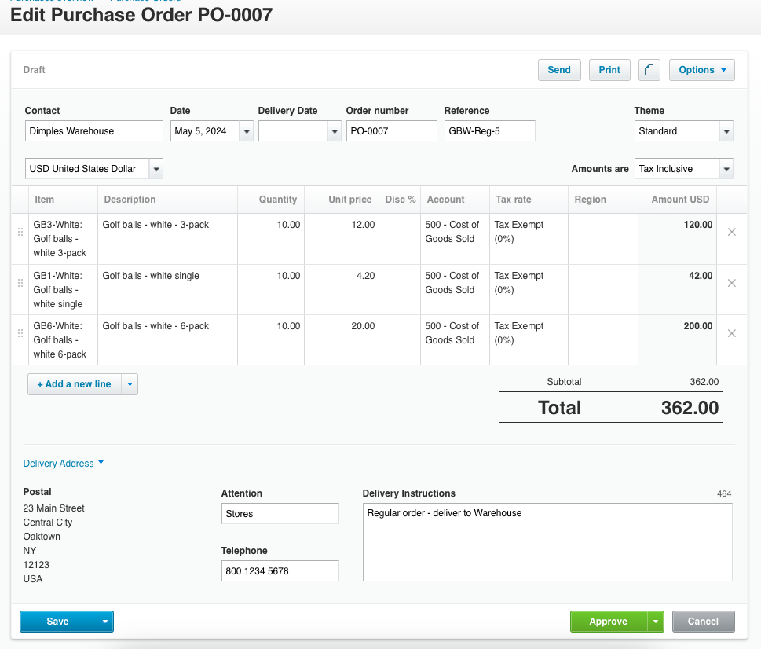

Test Case 20
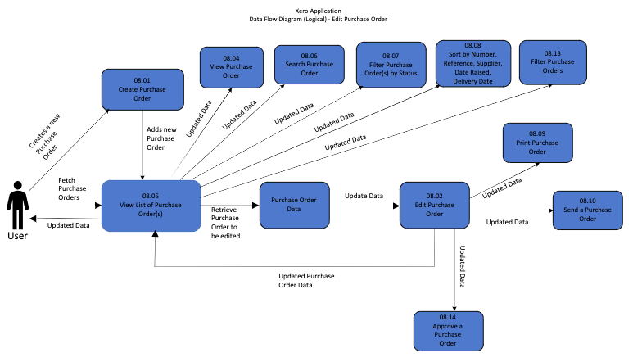
TC Title: | TC20. Edit Purchase Order - Data Flow-In Testing

TC Objective: | The objective of this test case is to verify that during the editing of a purchase order, the application accurately incorporates data from the original creation process, ensuring consistency and integrity across related functionalities.

TC Description

 | Step | Step Description | Expected Results
 | 1 | Access the purchase order to be edited. | The purchase order details should be accessible for editing.
 | 2 | Review the original data of the purchase order. | The data from the original creation process should be displayed accurately.
 | 3 | Make changes to relevant fields as required. | Changes should be allowed and accurately reflected in the purchase order.
 | 4 | Ensure that dependent data remains consistent. | Any dependent data, such as calculations or linked records, should update accordingly based on the changes made.
 | 5 | Save the edited purchase order. | The changes should be saved successfully without loss of data or errors.
 | 6 | The edited purchase order reflects changes. | Upon saving, the purchase order should accurately reflect the edits made.

